Input
 | Inch
O.C. | 16 |  |  |  |  |  | Center
O.C left over | 10.6
Steel Stud Width | 1.5
Wall Height | 195.7
Number of Intermediate sections | 3

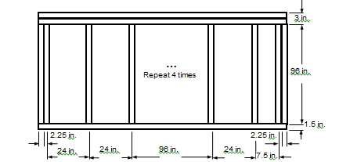
Center | Inch |  | End1 | Inch | End2 | Inch
Sill | 1.5 |  | Sill | 1.5 | Sill | 1.5
Head | 4 |  | Head | 4 | Head | 4
Jamb-L | 0.75 |  | Jamb-L | 3 | Jamb-L | 0.75
Jamb-R | 0.75 |  | Jamb-R | 0.75 | Jamb-R | 3

South WALL - Middle

 |  | IP [Btu/hr-ft2-F]

 | Frame | Edge | Center
Hor-Intermediate | 0.2211 | 0.2553 | 0.2670
Hor-End1 | 0.1827 | 0.2533
Hor-End2 | 0.1819 | 0.2502
Ver-Head | 0.2483 | 0.1770
Ver-Sill | 0.2009 | 0.2638

 | SI [W/m2-k]

 | Frame | Edge | Center
Hor-Intermediate | 1.2552 | 1.4494 | 1.516
Hor-End1 | 1.0376 | 1.4384
Hor-End2 | 1.0328 | 1.4205
Ver-Head | 1.4096 | 1.005
Ver-Sill | 1.1409 | 1.498

